市场分析
卖家精灵 |  |  | Google Trends热度对比
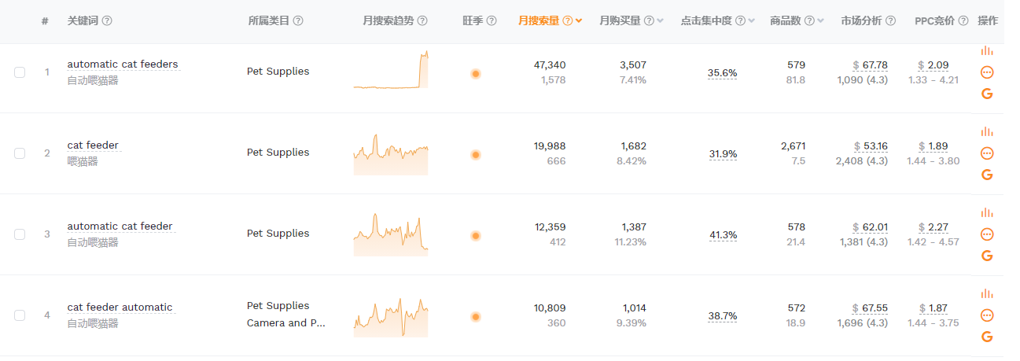 |  |  | 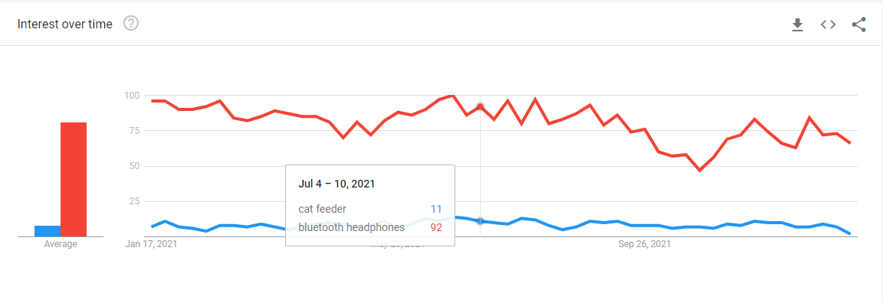
关键词 | Listing总数 | 位置 | 价位区间 | 平均价格 | 月平均订单 | 平均review数量/评分 | 新品占比 | 链接数量
automatic cat feeders | 579 | 第一页 | 40以下 | $25 | 3237 | 8874/4.275 | 100.00% | 3
 |  |  | 40-50 | $48 | 612 | 74/4.5 | 44.00% | 6
 |  |  | 50-60 | $55 | 777 | 1691/4.4 | 30.00% | 9
 |  |  | 60-70 | $68 | 139 | 1748/4.5 | 30.00% | 10
 |  |  | 70-80 | $76 | 1021 | 1735/4.4 | 33.00% | 9
 |  |  | 80-90 | $88 | 1088 | 1428/4.4 | 33.00% | 9
 |  |  | 100以上 | $122 | 503 | 1316/4.4 | 16.00% | 6
1.关键词cat feeder美国站内搜索90496的搜索量，中等 2.亚马逊美国站点有超过579个的在线listing，两者比值大概是156:1，市场需求量中 3. 首页新品占比20%，中等 4.与蓝牙耳机平均差距大约在8倍，常规类蓝海产品。 5.产品生命周期： 红利期持续中 总结：市场处于发展中期，替代传统无功能宠物喂食器，消费趋势更新迭代中，可持续调研，预计前期月出货量200-500台。

产品分析
同类产品分析 | 图片 | 产品卖点 | 用户差评 | 价格 | 月销量 | review数量/评分 | 买家关注 | 上架时间 | 产品链接
 | 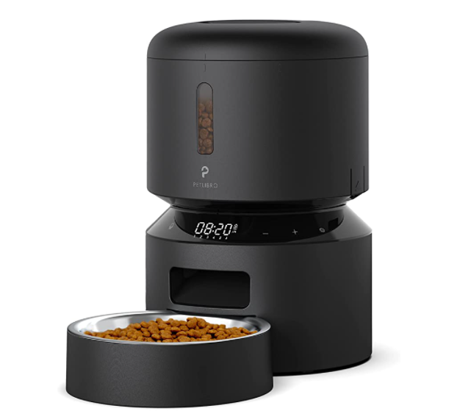 | 1.插电和电池双功能 2.带不锈钢碗和扭锁盖 3.最多 50 份，每天 6 餐 4.防宠物获食安全锁 5.内置干燥剂和密封条 6.LED面板手动自动喂食设置 7.可设置10秒录音 8.可拆卸机身易于清洁 | 1.它很难设置......令人沮丧地难以拆卸，（这是让馈线工作的重要一步），尽管宜家启发的最小插图显示了易用性的拆卸。 此外，没有列出份量。 反复试验是您找到合适数量的方法。 2.喂食器按预期工作了 2 周。 2 周后，我注意到它不会提供我预定的部分。 我可怜的猫正在挨饿，因为当她应该得到 3 份时，她实际上只得到了 1 份。我会手动添加部分，即使那样，喂食器也不会掉下任何食物。 我将不得不不断地按下按钮向她的碗里添加食物，直到它决定工作为止。 我已尝试重置预定时间、部分并拔下馈线以尝试修复它，但没有任何效果。 这个喂食器是浪费钱。 3.时钟不起作用 - 设置后，它永远不会前进。 显然，这意味着进料时间永远不会发生，使产品一文不值。 4.这是为喂食编程的噩梦。 花了一个小时，仍然试图调整。 如果您想更改任何设置，则需要花费一个小时或更长时间重新设置所有内容。 每按下一个按钮，你就会听到一个非常负载的高音哔哔声，这会增加已经令人沮丧的体验。 5.编程是不可能的。 我们完全按照手册和视频中的说明进行操作。 客服是没用的。 “现在打电话给我”功能不可用。 对我们电子邮件的回复不相关且无用。 他们需要给我们打电话，但他们不会。 | $65.00 | 5203 | 712/4.5 | 1.有人用过不同的碗吗？ 2.我的猫很聪明，可以根据屏幕自主进食。有没有办法组织它？ 3.这个喂食器可以储存多少磅的食物？ 4.手动按钮有什么作用？它只分配一份吗？ 5.猫可以用爪子从食物出口偷食物吗？ | 291天 | https://www.amazon.com/PETLIBRO-PLAF005-Automatic-Cat-Feeder/dp/B0953SDCRG/ref=zg_bs_2975260011_1/135-3036856-4883209?pd_rd_i=B09NN4H4GG&th=1
 | 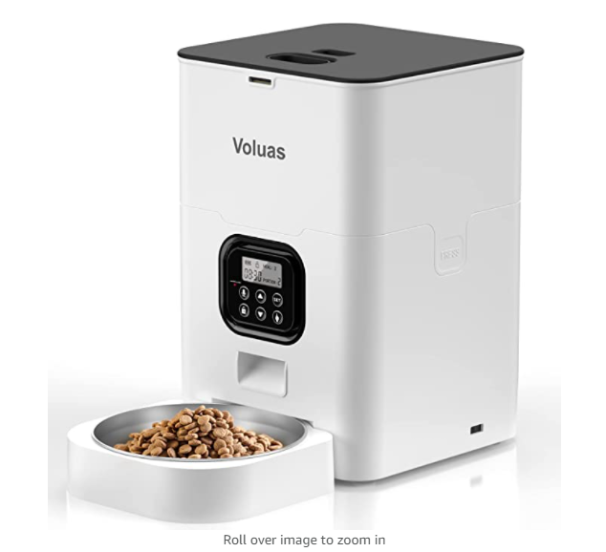 | 1.自动可编程 2.10 秒语音记录用餐呼叫 3.1-4 餐，包括干燥剂袋 4. 1-4 餐和 0-12 份选择 5.电源和电池供电 6.LCD 屏幕 | 1.不工作或开机 2.我花了一段时间才弄清楚，在军用时间中午之后，我无法弄清楚为什么我的猫没有得到喂食。说明手册实际上没有任何帮助 3.关于部分大小如何工作的说明不是很清楚，等等。我的碗最终溢出了。但是，一旦我们发现它稍微好一点，那就还不错。另一个最大的问题是录音非常安静，所以你基本上必须在录音时大喊大叫才能在播放时听到它。但就价格而言，离开几天后它是一个不错的喂食器，这就是我们得到它的目的。 4.如果拔掉电源，它的程序就会丢失。说话者太安静，不清楚。 | $69.00 | 1122 | 284/4.9 | 1.我家宠物之前吃的很多，我订的是一天4餐，现在想订3餐，怎么取消？ 2.如果只用电池供电，这台机器能用多少天？ 3.实物会卡住吗？ 4.盖子密封吗？ | 100天 | https://www.amazon.com/Automatic-Programmable-Portion-Included-Desiccant/dp/B09LD2CD1L/ref=sr_1_2?crid=2QOY83PGE9EJR&keywords=B09LD2CD1L&qid=1642066905&s=pet-supplies&sprefix=b09ld2cd1l%2Cpets%2C531&sr=1-2
 | 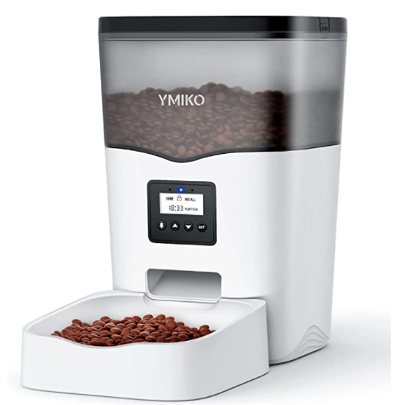 | 1.带录音机 2.带可编程定时器 3.每天 1-4 餐（3L） 4.5V DC 适配器 + 3 节碱性电池 5.带有按钮的 LCD 屏幕 | 1.无法设置，无法让它工作 2.在使用它的两天内，我的猫想出了如何让它给他更多的食物，它会在应该分散食物的时候分散食物，但我的小家伙可以让它在不应该分散食物的时候分散食物。 此外，没有连接的碗对于节食的猫来说非常容易扯掉。 它现在是用胶带封住的，但仍然如此。 如果你的猫像一只胆小的小猫，也许这是值得的，但对于我饥饿的猫来说，它不起作用。 不推荐。 3.按钮无法设置为当前时间，并且每次总是从 00hrs 开始，因此喂食计划已关闭！ 4.我的猫把整个东西都打翻了，想出了如何取下盖子，然后立即把所有的猫粮都吃光了。 5.产品没有附带说明。 进行编程时遇到了麻烦。 亚马逊发送了一个链接以获取说明。 最终，程序“保存”了。 食物现在自己分配了两次。 这些部分未在说明中的测量值中给出。 | $49.00 | 2377 | 321/4.4 | 1.它可以保存多少天的食物？ 2.如何重置时钟？ 3.是否有手动进食选项？ 4.这个需要wifi吗？ 5.当一切都设置好后，如何让它回到当前时间屏幕？ | 204天 | https://www.amazon.com/Ymiko-Automatic-Dispenser-Recorder-Programmable/dp/B0982Q4724/ref=sr_1_2?crid=U8T6J50M5UQ0&keywords=B0982Q4724&qid=1642068021&s=pet-supplies&sprefix=b0982q4724%2Cpets%2C521&sr=1-2
痛点分析 | 痛点总结 | 1. 编程设置很繁琐复杂，买家喜欢简单易懂的设置方式。 2. 买家不能直观的了解一次出来多少g食物。 3. 容易被宠物打翻，导致食物溢出，被宠物误碰按键而出食物。 4. 产品对狗粮的颗粒大小有要求，大颗粒容易卡住。 9. 喂食碗容易被宠物扯掉。 |  | 产品基础功能： 1.带10秒录音 ， 2.可编程每日餐数， 3.电源和电池供电， 4.带LED显示屏， 5.4-6L容量， 6.防获食安全锁， |  | 卖点升级 | 可升级的卖点： 真空保鲜。 1.竞品录音时长只有10秒，可做提升。 2.每一餐的具体重量不明确，后续在文案说明上加强， 3.第一个竞品功能相对完善，且备可拆卸清洗功能，但用户反应操作复杂，可做重点参考。 4.编程设置繁琐，可重点优化此项，满足消费者需求。 5.产品会被打翻，食物洒出，需重点解决。

文案规划
文案规划 |  |  | 图片规划
重点 | 1、消费者需求是什么？购买行为背后是期望解决什么问题？ 2、竞争对手解决这些问题了吗？0-100能打多少分？ 3、竞品做的好的地方在哪里？如何借鉴？ 4、竞品没做好的地方在哪里？如何超越？ 5、是否可以创造新的消费场景和消费需求？ 6、如果上述问题你回答不了，请重新分析。 | 布局： 1、你的listing页面主要讲的是那几点？为什么是这几点？ 2、你的标题、五点、主图视频、附图、A+、QA、关联视频、直评、都讲到这几点了吗？ 3、用什么方式讲这几点？为什么是这种方式？ 4、消费者看完你的页面之后会有购买欲望吗？ 5、你期望消费者看完你的页面之后会记住哪些？ | SKU：****** |  |  |  |  |  | 延展SKU：******
写下你的想法： | 1. 2. 3. 4. 5. | 布局方案： 1. 2. 3. 4. 5. | 图片名称 | 尺寸 | 文案 | 参考图（最多1-2张） | 运营图片构思 | 设计师对运营构思的备注 （你理解的需求是什么样的？） | 图片名称 | 尺寸 | 文案 | 参考图（最多1-2张） | 图片构思
标题 |  |  | 主图1 | 1600*1600 | 一级标题（中英文）： 二级文案（中英文）： 图标文案（中英文）： | 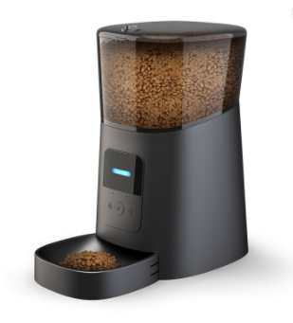 |  |  | 主图1 | 1600*1600 | 一级标题（中英文）： 二级文案（中英文）： 图标文案（中英文）：
5点 | 中文卖点1 | 英/日文卖点1 | 主图2 | 1600*1600 | 一级标题（中英文）： 二级文案（中英文）： 图标文案（中英文）： |  |  |  | 主图2 | 1600*1600
 | 中文卖点2 | 英文卖点2 | 主图3 | 1600*1600 | 一级标题（中英文）： 二级文案（中英文）： 图标文案（中英文）： |  |  |  | 主图3 | 1600*1600
 | 中文卖点3 | 英文卖点3 | 主图4 | 1600*1600 | 一级标题（中英文）： 二级文案（中英文）： 图标文案（中英文）： |  |  |  | 主图4 | 1600*1600
 | 中文卖点4 | 英文卖点4 | 主图5 | 1600*1600 | 一级标题（中英文）： 二级文案（中英文）： 图标文案（中英文）： |  |  |  | 主图5 | 1600*1600
 | 中文卖点5 | 英文卖点5 | 主图6 | 1600*1600 | 一级标题（中英文）： 二级文案（中英文）： 图标文案（中英文）： |  |  |  | 主图6 | 1600*1600
Search Term |  |  | 主图7 | 1600*1600 | 一级标题（中英文）： 二级文案（中英文）： 图标文案（中英文）： |  |  |  | 主图7 | 1600*1600
描述 | 中文描述 | 英文描述 | A+需求 |  |  |  |  |  | A+需求
A+ | 品牌系列家族图展示 |  | A+1 | 1600*1600 | 一级标题（中英文）： 二级文案（中英文）： 图标文案（中英文）： |  |  |  | A+1 | 1600*1600 | 一级标题（中英文）： 高速3.0传输 High-speed transmission 3.0 port 二级文案（中英文）： 高速3.0传输 High-speed transmission 3.0 port 图标文案（中英文）： 高速3.0传输 High-speed transmission 3.0 port |  | 1.如例图摆放 2.机身上的标识要显眼一点 3.两个usb2.0用同一种插头（2.0接收器的那种），USB3.0的端口用银色U盘 TF卡槽就放一个TF卡 外边展示准备插入的设备用蓝色字体标上 4.尾部画一个传输数据蓝色效果
 | A+板块1 中文 | A+板块1 英文 | A+2 | 1600*1600 | 一级标题（中英文）： 二级文案（中英文）： 图标文案（中英文）：
 | A+板块2 中文 | A+板块2 英文 | A+3 | 1600*1600 | 一级标题（中英文）： 二级文案（中英文）： 图标文案（中英文）：
 | A+板块3 中文 | A+板块3 英文 | A+4 | 1600*1600 | 一级标题（中英文）： 二级文案（中英文）： 图标文案（中英文）：
 | A+板块4 中文 | A+板块4 英文 | A+5 | 1600*1600 | 一级标题（中英文）： 二级文案（中英文）： 图标文案（中英文）：
 | A+板块5 中文 | A+板块5 英文 | A+6 | 1600*1600 | 一级标题（中英文）： 二级文案（中英文）： 图标文案（中英文）：
 | A+板块6 中文 | A+板块6 英文 | A+7 | 1600*1600 | 一级标题（中英文）： 二级文案（中英文）： 图标文案（中英文）：
 | A+板块7 中文 | A+板块7 英文 | A+8 | 1600*1600 | 一级标题（中英文）： 二级文案（中英文）： 图标文案（中英文）：
 | A+板块8 中文 | A+板块8 英文 | A+9 | 1600*1600 | 一级标题（中英文）： 二级文案（中英文）： 图标文案（中英文）：

QA |  |  |  | 直评
卖点 |  |  |  | 卖点 | 直评内容
散热 | Q1 |  |  | 容量
 | A1
散热 | Q2 |  |  | 定时
 | A2
兼容 | Q3 |  |  | 恒温
 | A3
兼容 | Q4 |  |  | 无菌
 | Q4
兼容 | Q5 |  |  | ***
 | A5
兼容 | Q6 |  |  | ***
 | A6
兼容 | Q7 |  |  | ***
 | A7
线材 | Q9 |  |  | ***
 | A9
尺寸 | Q10 |  |  | ***
 | A10
速度 | Q11 |  |  | ***
 | A11

品牌占比
智能喂食器市场品牌占有率统计
品牌 | 品牌 (计数) | 新品牌平均占有率3%，市场垄断情况中等，红利期持续中，入场机会指数较高，可选择多品牌布局，产品上架后6-9个月推广时间实现9%-15%的市场占有量。
PETLIBRO | 6
WOPET | 3
WellToBe | 2
PETODAY | 2
PetSafe | 2
Ymiko | 1
Petory | 1
Voluas | 1
Arspic | 1
KtlicN/A | 1
Veken | 1
PETKIT | 1
hipidog | 1
Cat Mate | 1
HoneyGuaridan | 1
Prupet | 1
Roffie Pet | 1
FUNLULA FUNLULA FUNLULA | 1
Dokoo | 1
ALUKE | 1
lexvss | 1
JSK | 1
petress | 1

30天销量
品牌 | 近30天销量 (求和)
PETLIBRO | 15087
WOPET | 3496
WellToBe | 2749
PETODAY | 2428
Ymiko | 2314
PetSafe | 2230
Veken | 2048
HoneyGuaridan | 1301
KtlicN/A | 1172
Voluas | 1120
Arspic | 1010
Prupet | 963
PETKIT | 846
FUNLULA FUNLULA FUNLULA | 840
hipidog | 827
ALUKE | 751
Roffie Pet | 674
Dokoo | 514
Cat Mate | 495
Petory | 446
JSK | 404
lexvss | 356
petress | 336

利润核算
利润核算表
产品图片 | 产品定价USD | 产品货值USD | FBA头程（海运） | FBA头程（空运） | 亚马逊收取佣金 | 亚马逊配送费用 | 利润海运 | 利润空运 | 利润率海运（大概） | 利润率空运（大概） | 产品市场类型（红/蓝） | 关键词
 | $79.00 | $20.00 | $10.98 | $31.95 | $11.85 | $16.97 | $19.20 | -$1.77 | 24.3% | -2.2% | 蓝
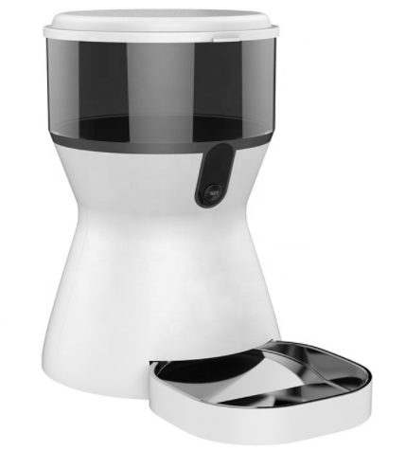 | $89.00 | $25.00 | $11.98 | $32.95 | $13.35 | $17.97 | $20.70 | -$0.27 | 23.3% | -0.3% | 蓝
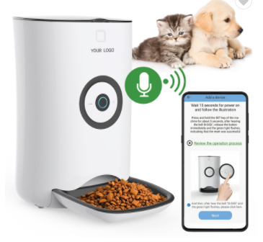 | $99.00 | $29.00 | $12.98 | $33.95 | $14.85 | $18.97 | $23.20 | $2.23 | 23.4% | 2.3% | 蓝

数据挖掘
竞品价格走势以及站内秒杀情况
 |  | 站内LD以及7天秒杀，竞品价格稳定，并无螺旋低价，市场供需比正常，良性竞争。

